sheet
 |  |  |  |  |  |  |  | (attribute up to +3)

Name/Class | Juanito/Magic-User |  | Equipment |  |  | Saving Throws (17)
Level | 1 |  | Gloves | Head | Amulett | Poison/Death | -1 | con | (death posion)
Current XP | 0 |  |  |  |  | Ray/Dodge | +3 | dex | (dragon breath)
Next Level | 1000 |  | L.Hand | Chest | R.Hand | Explotion/Posture | +3 | max con/dex | (spells paralysis petrifictation)
 |  |  | +1 | 0 | d4 | Paralyisis/Stun | +1 | max con/wis |  | h
Attribute | Score | Mod | Ring 1 | Boots | Ring 2 | Spell/Mind | +4 | max int/wis
CON | 8 | -2 | Fire.r.ring +1
STR | 9 | -1 |  |  |  | Curr.Sell Uses | 1
DEX | 12 | +2 |  | Inventory |  | Max.Spell Uses | 3
INT | 13 | +3 | antitoxin x 3 | 100 gold | -
WIS | 10 | +0 | torch x2 | - | - | Damage Reduction
CHA | 7 | -3 | bandages x 10 | - | - | Physical | +0
 |  |  | 100 gold | - | - | Fire | +2
Current.HP | 6 |  | rations | - | - | Frost | +0
Max.HP | 8 |  | sowrd +1 | - | - | Lighting | +0
AC | 8 |  | 100 gold | - | - | Magic | +0
DMG | d4 |  |  |  |  | Acid | +0
Att.Bonus | +3 |  | Total Gold: | 300 |  | Radiant | +0
 |  |  |  |  |  | Darkness | +0

Prepared Spells:
Sleep
Sleep (used)
score frente a Attribute
Sleep (used)

Copia de classes
gg |  |  |  |  |  |  |  |  |  |  |  |  |  |  |  | Saving throw is attribute (up to +3)+ C.level
 |  |  |  |  |  |  |  |  |  |  |  |  |  |  |  | against CD 17
 | level | con | str | dex | int | wis | cha | total | max hp | ac | ac (no shield) | att.bonus | to hit ac 10 | dmg main hand | dmg two hands | Mind SV(int) | Death/PoisonV(con) | Paralysis SV (dex) | SV. wis | Magic Power | Starting Spells
magic-user | 1 | -3 | -1 | 2 | 3 | 0 | 0 | 3 | 7 | 8 | 7 | 3 | 70% | d4 | d6 | 40% | 10% | 35% |  | 3 | Sleep, M.missle
thief | 1 | -1 | -1 | 3 | 1 | 0 | 0 | 3 | 9 | 11 | 10 | 4 | 75% | d4 | d6 | 30% | 20% | 40% |  | 1 | Invisible, open lock
cleric | 1 | 1 | 1 | -1 | 0 | 2 | 0 | 3 | 11 | 10 | 8 | 0 | 55% | d6 | d8 | 25% | 30% | 20% |  | 2 | Heal, turn undead, curse, bless, protect
fighter | 1 | 1 | 1 | 1 | 0 | 0 | 0 | 3 | 11 | 12 | 10 | 2 | 65% | d6 | d8 | 25% | 30% | 30% |  | 0
barbarian | 1 | 1 | 3 | -2 | 0 | 0 | 0 | 3 | 11 | 10 | 7 | -1 | 50% | d8 | d10 | 25% | 30% | 15% |  | 0
knight | 1 | 3 | 1 | -2 | 0 | 0 | 0 | 3 | 13 | 11 | 9 | -1 | 50% | d6 | d8 | 25% | 40% | 15% |  | 0
hunter | 1 | -1 | 1 | 2 | 0 | 1 | 0 | 3 | 9 | 11 | 9 | 3 | 70% | d6 | d8 | 25% | 20% | 35% |  | 1 | Precise shot, heal
deprived | 1 | -2 | 1 | 1 | 1 | 1 | 1 | 3 | 8 | 9 | 7 | 2 | 65% | d6 | d8 | 30% | 15% | 30% |  | 1 | Inspiration
bard | 1 | -1 | 1 | 1 | 0 | 0 | 2 | 3 | 9 | 10 | 8 | 2 | 65% | d6 | d8 | 25% | 20% | 30% |  | 2 | Vicious Mockery, heal
wanderer | 1 | 0 | 1 | 2 | 0 | 0 | 0 | 3 | 10 | 12 | 10 | 3 | 70% | d6 | d8 | 25% | 25% | 35% |  | 0
darkness | 1 | 2 | 2 | -3 | 0 | 0 | 2 | 3 | 12 | 9.5 | 7 | -2 | 45% | d7 | d9 | 25% | 35% | 10% |  | 2 | divine shield, taunt
druid | 1 | -1 | 1 | 1 | 0 | 2 | 0 | 3 | 9 | 10 | 8 | 2 | 65% | d6 | d8 | 25% | 20% | 30% |  | 2 | heal, root
paladin | 1 | 1 | 1 | -1 | 0 | 0 | 2 | 3 | 11 | 10 | 8 | 0 | 55% | d6 | d8 | 25% | 30% | 20% |  | 2 | Lay on hands, taunt
friar | 1 | -2 | -1 | 1 | 0 | 3 | 0 | 3 | 8 |  | 7 | 2 | 65% | 6 | d6
 |  |  |  |  |  |  |  |  |  |  |  |  |  |  |  | 27% | 25% | 27%

 |  |  |  |  |  |  |  |  |  |  |  |  |  |  |  |  |  | Creating character by rolling dice:
 |  |  |  |  |  |  |  |  |  |  |  |  |  |  |  |  |  | You can only swap once
 |  |  |  |  |  |  |  |  |  |  |  |  |  |  |  |  |  | You can only have one +3
 |  |  |  |  |  |  |  |  |  |  |  |  |  |  |  |  |  | You need to have at least 2 positive attributes
 |  |  |  |  |  |  |  | monstruo y lvl | max hp | ca | ca sin escudo | att bonus | to hit ac 10 | dmg main | dmg two
 |  |  |  |  |  |  |  | Green slime 1/2 | 5 | 2 |  | 0 | 50.00% | d4 |  |  | minion hp 3 (green slime or spider)
 |  |  |  |  |  |  |  | Goblin 1/2 | 5 | 9 | 5 | 0 | 50.00% | d4 |  |  | regular enemy hp 6 (goblin or skeleton)
 |  |  |  |  |  |  |  | Imp | 5 |  |  |  |  |  |  |  | strong enemy hp 9 (gohul)
 |  |  |  |  |  |  |  |  |  |  |  |  |  |  |  |  | mini boss enemy hp 12 (wherewolf)
 |  |  |  |  |  |  |  |  |  |  |  |  |  |  |  |  | boss enemy hp 25 (vampire)
 |  |  |  |  |  |  |  |  |  |  |  |  |  |  |  |  | jh
Spell SV(int), Death,Tox,PoiseSV(con) y Paralysis SV (dex)
 |  |  |  |  |  |  |  |  |  |  |  |  | 50.00%

 |  |  |  |  |  |  |  | zombi 1 | 10 |  |  | 1 | 55.00% | d6
 |  |  |  |  |  |  |  | Skeleton 1 | 10 | 7 | 0 | 1 | 55.00% | d6
 |  |  |  |  |  |  |  | bandit | 10 |  |  | dcv | #VALUE!

 |  |  |  |  |  |  |  | gohul 2 | 15 | 5 |  | 2 |  | d6

 |  |  |  |  |  |  |  | flesh golem 3 | 20 | 5 |  | 3 |  | d8

to hit ac 7

print
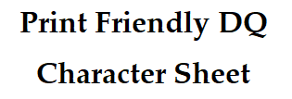

 |  |  |  |  |  |  |  | S&S | (Spells) | (blue)
 |  |  |  |  |  |  |  | Dark Fantasy | (Curse/Death) | (black)
 |  |  |  |  |  |  |  | Horror | (Paralisys, Fear) | (purple)
 |  |  |  |  |  |  |  | High Fantasy | dragon breath

Name/Class | Juanito/Magic-User |  |  | Equipment |  |  |  | Saving Throws (17) |  | Atributo (hasta +3) + Lvl
Level | 1 |  |  | Gloves | Head | Amulett |  | Death/Poison | -1
 |  |  | (dem. segudo) |  |  |  |  | Traps/Bleed | +3 |  | cc
 |  |  |  | L.Hand | Chest | R.Hand |  | Spells | +4
 |  |  |  | +1 | 0 | d4 |  | Paralyisis/Poise | +3
Attribute | Score | Mod |  | Ring 1 | Boots | Ring 2
CON | 8 | -2 |  | Fire.r.ring +1 |  |  |  |  |  | (dem. seguido)
STR | 9 | -1
DEX | 12 | +2
INT | 13 | +3 |  |  |  |  |  | Damage Reduction |  | (Objetos equipados)
WIS | 10 | +0 |  |  |  |  |  | Physical | +0
CHA | 7 | -3 |  |  |  |  |  | Fire | +1
 |  |  |  |  |  |  |  | Frost | +0
Max.HP | 8 |  | (dem. seguido) |  |  |  |  | Lighting | +0
AC | 8 |  |  |  |  |  |  | Arcane | +0
DMG | d4 |  |  |  |  |  |  | Acid | +0
Att.Bonus | +3 |  |  |  |  |  |  | Radiant | +0
Max.Magic Slots | 3 |  |  |  |  |  |  | Darkness | +0
Backstab | x2 |  |  | (Esto se actualiza demasiado seguido)
 |  |  |  | (Debería ir en otra página)

 |  |  |  |  | Draft

Current XP | 0 |  |  | Inventory
Next Level | 1000 |  |  | antitoxin x 3 | 100 gold | - | - | - | -
 |  |  |  | torch x2 | - | - | - | - | -
 |  |  |  | bandages x 10 | - | - | - | - | -
 |  |  |  | 100 gold | - | - | - | - | -
Current.HP | 6 |  |  | rations | - | - | - | - | -
 |  |  |  | sowrd +1 | - | - | - | - | -
 |  |  |  | 100 gold | - | - | - | - | -
 |  |  |  |  | - | - | - | - | -
 |  |  |  |  | - | - | - | - | -
 |  |  |  |  | - | - | - | - | -
Curr.Magic Slots | 1 |  |  |  | - | - | - | - | -
 |  |  |  |  | - | - | - | - | -
 |  |  |  |  | - | - | - | - | -
 |  |  |  |  | - | - | - | - | -
 |  |  |  |  | - | - | - | - | -
 |  |  |  |  | - | - | - | - | -

Total Gold: | 300

 |  | Total Gold: | 300

savings
 | MONSTER STATBLOCK

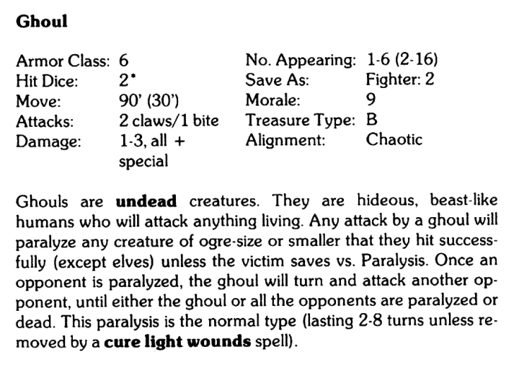
Monster Level | HP | AC | Movement | Attacks | Dmg | N.Appearing | SV | Morale | Treasure | Type | Passive | Active
2 | 12 | 5 | 20 ft | 2 | 1d4 | 1d6 | 1 2 1 0 | 9 | B | Undead | get stunned on hit | paralysis/ life steal

 |  |  | Saving Throws (17) |  |  |  | Saving Throws (17)
 |  |  | Poison/Stun | con |  |  | Poison/Stun | con
 |  |  | Bleed/Lethality | dex |  |  | Posture/Explotion | con/dex
 |  |  | Posture/Explotion | con/dex |  |  | Paralyisis/Mind | int/wis
 |  |  | Paralyisis/Mind | int/wis

